DTP
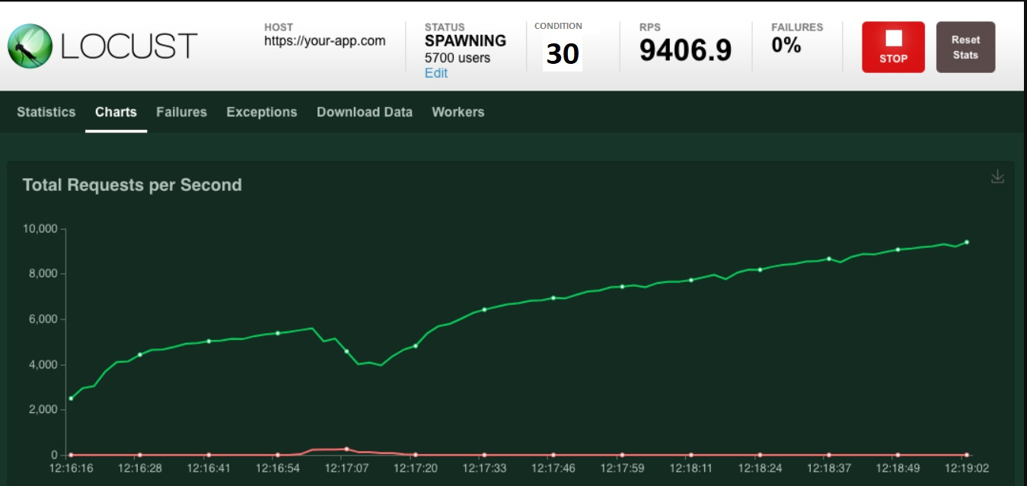
NFT Test approach
 | Load Test

